GVCP2 - 13 cancer
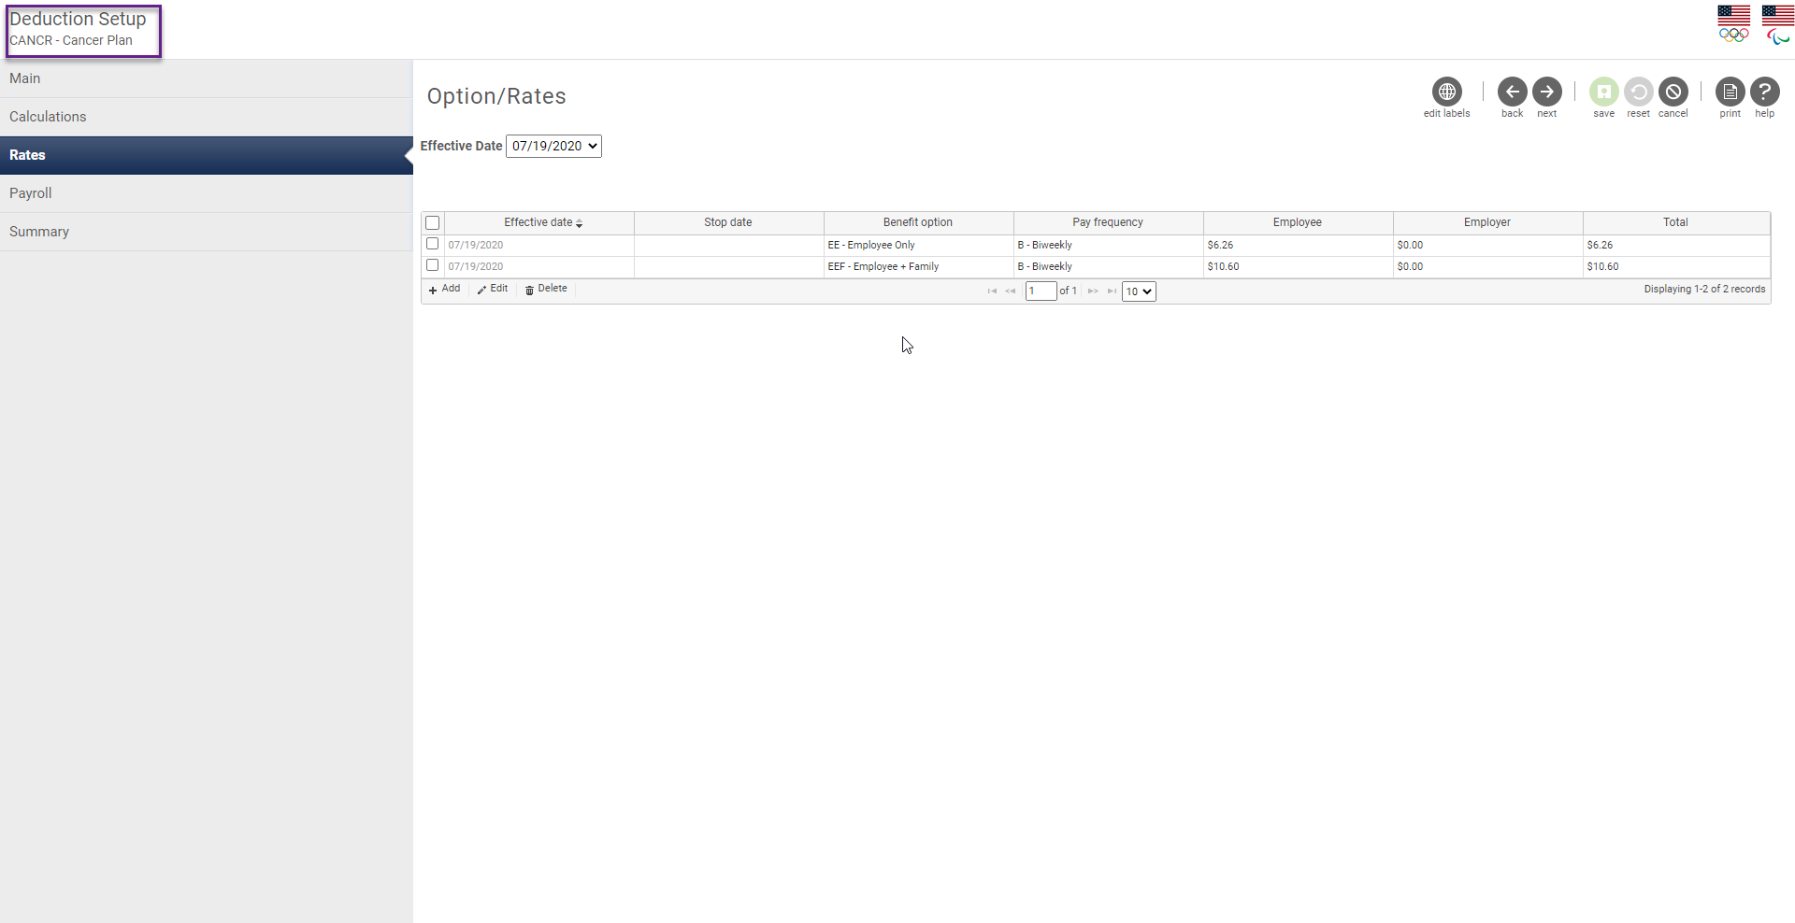
 |  |  |  |  |  | UltiPro Field Mapping Notes |  | GROUP CANCER 2
CSV | Excel |  |  | Fixed Width |  | United States Olympic Committee |  | Send if if eeddedcode = CANCR
Field Number | Spreadsheet Column | Required | Field Name | Start Position | Field Length | Package A | Data Type | Notes
1 | A | Required | Record Type | 1 | 2 | if eeddedcode = CANCR send 13 | numeric | must always be 13
2 | B | Required | Application ID | 3 | 9 | if eeddedcode = CANCR send eepssn 9 digits, no dashes | numeric | 9 digits, no dashes; must be unique for each application (usually employee SSN)
3 | C | Required | Coverage Tier | 12 | 1 | if eeddedcode = CANCR and eedbenoption = EE, ATH send 1 if eeddedcode = CANCR and eedbenoption = EES, EEDP, ATHS, EEC, EECH, ATHC, EEF, EEDPF, ATHF send 2 | numeric | 1 = Employee Only, 2 = Family
4 | D | Required | Section 125 | 13 | 1 | if eeddedcode = CANCR send Y | text | Y = Pre-tax deductions or N = Post-tax deductions
5 | E | Required | Total Mode Premium | 14 | 6 | if eeddedcode = CANCR use dbo.u_dsi_bdm_BenCalculationAmounts decimal implied ($5.14 = 000514) | numeric | decimal implied ($5.14 = 000514), must match Premium Billing Mode; Total Mode Premium is multiplied by the Premium Billing Mode to determine annualized premium
6 | F | Required | Base Plan Units | 20 | 10 | if eeddedcode = CANCR send 100 | numeric | decimal implied (1 unit = 100, 2.5 units = 250), to be provided by Allstate Benefits
7 | G | Required | Rider1 | 30 | 10 | if eeddedcode = CANCR send HOSP | text | alpha-numeric; to be provided by Allstate Benefits
8 | H | Required | Rider1 UnitsAmt | 40 | 10 | if eeddedcode = CANCR send 200 | numeric | decimal implied (1 unit = 100, 2.5 units = 250), to be provided by Allstate Benefits
9 | I | Required | Rider2 | 50 | 10 | if eeddedcode = CANCR send RAD | text | alpha-numeric; to be provided by Allstate Benefits
10 | J | Required | Rider2 UnitsAmt | 60 | 10 | if eeddedcode = CANCR send 200 | numeric | decimal implied (1 unit = 100, 2.5 units = 250), to be provided by Allstate Benefits
11 | K | Required | Rider3 | 70 | 10 | if eeddedcode = CANCR send SURG | text | alpha-numeric; to be provided by Allstate Benefits
12 | L | Required | Rider3 UnitsAmt | 80 | 10 | if eeddedcode = CANCR send 100 | numeric | decimal implied (1 unit = 100, 2.5 units = 250), to be provided by Allstate Benefits
13 | M | Required | Rider4 | 90 | 10 | if eeddedcode = CANCR send MISC | text | alpha-numeric; to be provided by Allstate Benefits
14 | N | Required | Rider4 UnitsAmt | 100 | 10 | if eeddedcode = CANCR send 100 | numeric | decimal implied (1 unit = 100, 2.5 units = 250), to be provided by Allstate Benefits
15 | O | Required | Rider5 | 110 | 10 | if eeddedcode = CANCR send CID | text | alpha-numeric; to be provided by Allstate Benefits
16 | P | Required | Rider5 UnitsAmt | 120 | 10 | if eeddedcode = CANCR send 300 | numeric | decimal implied (1 unit = 100, 2.5 units = 250), to be provided by Allstate Benefits
17 | Q | Required | Rider6 | 130 | 10 | if eeddedcode = CANCR send CS | text | alpha-numeric; to be provided by Allstate Benefits
18 | R | Required | Rider6 UnitsAmt | 140 | 10 | if eeddedcode = CANCR send 200 | numeric | decimal implied (1 unit = 100, 2.5 units = 250), to be provided by Allstate Benefits
19 | S | DO NOT USE | Rider7 | 150 | 10 | Leave Blank | text | alpha-numeric; to be provided by Allstate Benefits
20 | T | DO NOT USE | Rider7 UnitsAmt | 160 | 10 | Leave Blank | numeric | decimal implied (1 unit = 100, 2.5 units = 250), to be provided by Allstate Benefits
21 | U | DO NOT USE | Rider8 | 170 | 10 | Leave Blank | text | alpha-numeric; to be provided by Allstate Benefits
22 | V | DO NOT USE | Rider8 UnitsAmt | 180 | 10 | Leave Blank | numeric | decimal implied (1 unit = 100, 2.5 units = 250), to be provided by Allstate Benefits
23 | W | DO NOT USE | Rider9 | 190 | 10 | Leave Blank | text | alpha-numeric; to be provided by Allstate Benefits
24 | X | DO NOT USE | Rider9 UnitsAmt | 200 | 10 | Leave Blank | numeric | decimal implied (1 unit = 100, 2.5 units = 250), to be provided by Allstate Benefits
25 | Y | DO NOT USE | Rider10 | 210 | 10 | Leave Blank | text | alpha-numeric; to be provided by Allstate Benefits
26 | Z | DO NOT USE | Rider10 UnitsAmt | 220 | 10 | Leave Blank | numeric | decimal implied (1 unit = 100, 2.5 units = 250), to be provided by Allstate Benefits
27 | AA | DO NOT USE | Rider11 | 230 | 10 | Leave Blank | text | alpha-numeric; to be provided by Allstate Benefits
28 | AB | DO NOT USE | Rider11 UnitsAmt | 240 | 10 | Leave Blank | numeric | decimal implied (1 unit = 100, 2.5 units = 250), to be provided by Allstate Benefits
29 | AC | DO NOT USE | Rider12 | 250 | 10 | Leave Blank | text | alpha-numeric; to be provided by Allstate Benefits
30 | AD | DO NOT USE | Rider12 UnitsAmt | 260 | 10 | Leave Blank | numeric | decimal implied (1 unit = 100, 2.5 units = 250), to be provided by Allstate Benefits
31 | AE | Required | Premium Billing Mode | 270 | 2 | send 26 | numeric | 12 = monthly, 24 = semi-monthly, 26 = bi-weekly, 52 = weekly; must match Total Mode Premium; Total Mode Premium is multiplied by the Premium Billing Mode to determine annualized premium
32 | AF | Required | Date of First Deduction | 272 | 8 | if eeddedcode = CANCR send eedbenstartdate yyyymmdd | date | yyyymmdd (July 18th, 2019 = 20190718)
33 | AG | Required | Requested Coverage Effective Date | 280 | 8 | if eeddedcode = CANCR send eedbenstartdate - if prior to 1/1/20 send 20200101 yyyymmdd | date | yyyymmdd (July 18th, 2019 = 20190718)
34 | AH | Required | Case Number | 288 | 10 | if eeddedcode = CANCR send 32810 | text | alpha-numeric, to be provided by Allstate Benefits
35 | AI | Situational | Status Code | 298 | 1 | if eecemplstatus = T send T if eecemplstatus = A and eeddedcode = CANCR and eedbenstatus <> A send X | text | T = Termination of employment (eligible for portability) X = Cancellation of coverage (not eligible for portability)
36 | AJ | Situational | Requested Coverage End Date | 299 | 8 | if eeddedcode = CANCR send eedbenstopdate yyyymmdd | date | yyyymmdd (July 18th, 2019 = 20190718), required if Status Code is T or X
37 | AK | Required | Signed City and State | 307 | 100 | if eeddedcode = CANCR send "Colorado Springs CO" | text | no comma, city name plus state abbreviation; please use headquarters of client if not captured at enrollment
38 | AL | Required | Date signed by Employee | 407 | 8 | if eeddedcode = CANCR send oldest eedbenstartdate - if prior to 1/1/20 send 20200101 yyyymmdd | date | yyyymmdd (July 18th, 2019 = 20190718), please use date enrollment was completed and/or signed; if most recent election date is not captured, please use most recent date elections were saved
39 | AM | Situational | Producer's name | 415 | 35 | Leave Blank | text | apostrophe and dash are also valid characters
40 | AN | Situational | Servicing Agent Number | 450 | 10 | Leave Blank | text | Agent #
41 | AO | Situational | Servicing Agent Split | 460 | 5 | Leave Blank | numeric | decimal implied (5% = 00500, 100% = 10000)
42 | AP | Situational | Writing Agent Number | 465 | 10 | Leave Blank | text | Agent #
43 | AQ | Situational | Writing Agent Split | 475 | 5 | Leave Blank | numeric | decimal implied (5% = 00500, 100% = 10000)
44 | AR | Situational | Other Agent1 Number | 480 | 10 | Leave Blank | text | Agent #
45 | AS | Situational | Other Agent1 Split | 490 | 5 | Leave Blank | numeric | decimal implied (5% = 00500, 100% = 10000)
46 | AT | Situational | Other Agent2 Number | 495 | 10 | Leave Blank | text | Agent #
47 | AU | Situational | Other Agent2 Split | 505 | 5 | Leave Blank | numeric | decimal implied (5% = 00500, 100% = 10000)
48 | AV | Situational | Other Agent3 Number | 510 | 10 | Leave Blank | text | Agent #
49 | AW | Situational | Other Agent3 Split | 520 | 5 | Leave Blank | numeric | decimal implied (5% = 00500, 100% = 10000)
50 | AX | Situational | Other Agent4 Number | 525 | 10 | Leave Blank | text | Agent #
51 | AY | Situational | Other Agent4 Split | 535 | 5 | Leave Blank | numeric | decimal implied (5% = 00500, 100% = 10000)
52 | AZ | Situational | Other Agent5 Number | 540 | 10 | Leave Blank | text | Agent #
53 | BA | Situational | Other Agent5 Split | 550 | 5 | Leave Blank | numeric | decimal implied (5% = 00500, 100% = 10000)

GVAP6 - 38 accident
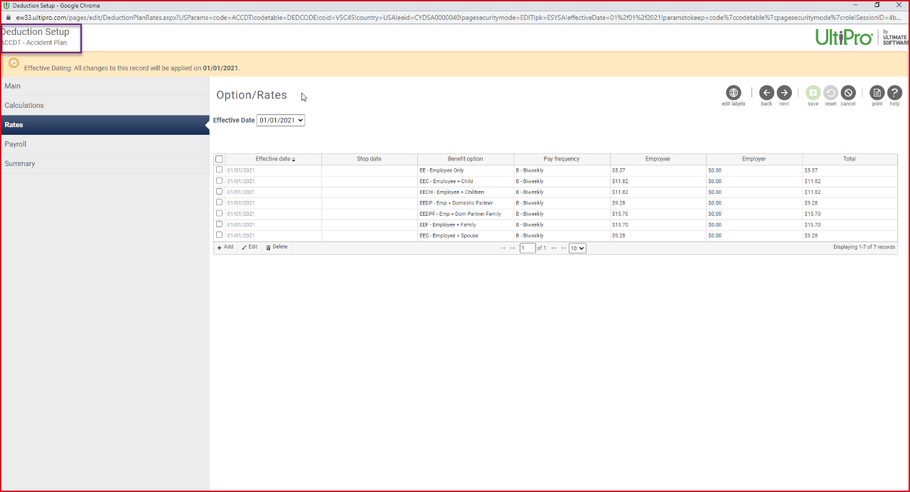
 |  |  |  |  |  | UltiPro Field Mapping Notes |  | GROUP ACCIDENT 6
CSV | Excel |  |  | Fixed Width |  | United States Olympic Committee |  | Send if if eeddedcode = ACCDT
Field Number | Spreadsheet Column | Required | Field Name | Start Position | Field Length | Package A | Data Type | Notes
1 | A | Required | Record Type | 1 | 2 | if eeddedcode = ACCDT send 38 | numeric | must always be 38
2 | B | Required | Application ID | 3 | 9 | if eeddedcode = ACCDT send eepssn | numeric | 9 digits, no dashes; must be unique for each application (usually employee SSN)
3 | C | Required | Coverage Tier | 12 | 1 | if eeddedcode = ACCDT and eedbenoption = EE, ATH send 1 if eeddedcode = ACCDT and eedbenoption = EES, EEDP, ATHS send 2 if eeddedcode = ACCDT and eedbenoption = EEC, EECH, ATHC send 3 if eeddedcode = ACCDT and eedbenoption = EEF, EEDPF, ATHF send 4 | numeric | 1 = Employee Only, 2 = Employee+Spouse, 3 = Employee+Child(ren), 4 = Family
4 | D | Required | Section 125 | 13 | 1 | if eeddedcode = ACCDT send Y | text | Y = Pre-tax deductions or N = Post-tax deductions
5 | E | Required | Total Mode Premium | 14 | 6 | if eeddedcode = ACCDT use dbo.u_dsi_bdm_BenCalculationAmounts decimal implied ($5.14 = 000514) | numeric | decimal implied ($5.14 = 000514), must match Premium Billing Mode; Total Mode Premium is multiplied by the Premium Billing Mode to determine annualized premium
6 | F | Required | Base Plan Units | 20 | 3 | if eeddedcode = ACCDT Send 200 | numeric | decimal implied (1 unit = 100, 2.5 units = 250), to be provided by Allstate Benefits
7 | G | Required | Rider1 | 23 | 10 | if eeddedcode = ACCDT Send GP6AUC | text | alpha-numeric; to be provided by Allstate Benefits
8 | H | Required | Rider1 UnitsAmt | 33 | 10 | if eeddedcode = ACCDT Send 300 | numeric | decimal implied (1 unit = 100, 2.5 units = 250), to be provided by Allstate Benefits
9 | I | Required | Rider2 | 43 | 10 | if eeddedcode = ACCDT Send GP6ERS | text | alpha-numeric; to be provided by Allstate Benefits
10 | J | Required | Rider2 UnitsAmt | 53 | 10 | if eeddedcode = ACCDT Send 300 | numeric | decimal implied (1 unit = 100, 2.5 units = 250), to be provided by Allstate Benefits
11 | K | Required | Rider3 | 63 | 10 | if eeddedcode = ACCDT Send GP6DF | text | alpha-numeric; to be provided by Allstate Benefits
12 | L | Required | Rider3 UnitsAmt | 73 | 10 | if eeddedcode = ACCDT Send 300 | numeric | decimal implied (1 unit = 100, 2.5 units = 250), to be provided by Allstate Benefits
13 | M | Required | Rider4 | 83 | 10 | if eeddedcode = ACCDT Send GP6BE | text | alpha-numeric; to be provided by Allstate Benefits
14 | N | Required | Rider4 UnitsAmt | 93 | 10 | if eeddedcode = ACCDT Send 200 | numeric | decimal implied (1 unit = 100, 2.5 units = 250), to be provided by Allstate Benefits
15 | O | Required | Rider5 | 103 | 10 | if eeddedcode = ACCDT Send GP6OPT | text | alpha-numeric; to be provided by Allstate Benefits
16 | P | Required | Rider5 UnitsAmt | 113 | 10 | if eeddedcode = ACCDT Send 200 | numeric | decimal implied (1 unit = 100, 2.5 units = 250), to be provided by Allstate Benefits
17 | Q | DO NOT USE | Rider6 | 123 | 10 | Leave Blank | text | alpha-numeric; to be provided by Allstate Benefits
18 | R | DO NOT USE | Rider6 UnitsAmt | 133 | 10 | Leave Blank | numeric | decimal implied (1 unit = 100, 2.5 units = 250), to be provided by Allstate Benefits
19 | S | DO NOT USE | Rider7 | 143 | 10 | Leave Blank | text | alpha-numeric; to be provided by Allstate Benefits
20 | T | DO NOT USE | Rider7 UnitsAmt | 153 | 10 | Leave Blank | numeric | decimal implied (1 unit = 100, 2.5 units = 250), to be provided by Allstate Benefits
21 | U | DO NOT USE | Rider8 | 163 | 10 | Leave Blank | text | alpha-numeric; to be provided by Allstate Benefits
22 | V | DO NOT USE | Rider8 UnitsAmt | 173 | 10 | Leave Blank | numeric | decimal implied (1 unit = 100, 2.5 units = 250), to be provided by Allstate Benefits
23 | W | DO NOT USE | Rider9 | 183 | 10 | Leave Blank | text | alpha-numeric; to be provided by Allstate Benefits
24 | X | DO NOT USE | Rider9 UnitsAmt | 193 | 10 | Leave Blank | numeric | decimal implied (1 unit = 100, 2.5 units = 250), to be provided by Allstate Benefits
25 | Y | DO NOT USE | Rider10 | 203 | 10 | Leave Blank | text | alpha-numeric; to be provided by Allstate Benefits
26 | Z | DO NOT USE | Rider10 UnitsAmt | 213 | 10 | Leave Blank | numeric | decimal implied (1 unit = 100, 2.5 units = 250), to be provided by Allstate Benefits
27 | AA | DO NOT USE | Rider11 | 223 | 10 | Leave Blank | text | alpha-numeric; to be provided by Allstate Benefits
28 | AB | DO NOT USE | Rider11 UnitsAmt | 233 | 10 | Leave Blank | numeric | decimal implied (1 unit = 100, 2.5 units = 250), to be provided by Allstate Benefits
29 | AC | DO NOT USE | Rider12 | 243 | 10 | Leave Blank | text | alpha-numeric; to be provided by Allstate Benefits
30 | AD | DO NOT USE | Rider12 UnitsAmt | 253 | 10 | Leave Blank | numeric | decimal implied (1 unit = 100, 2.5 units = 250), to be provided by Allstate Benefits
31 | AE | Required | Premium Billing Mode | 263 | 2 | if PgrPayFrequency = Biweekly send 26 | numeric | 12 = monthly, 24 = semi-monthly, 26 = bi-weekly, 52 = weekly; must match Total Mode Premium; Total Mode Premium is multiplied by the Premium Billing Mode to determine annualized premium
32 | AF | Required | Date of First Deduction | 265 | 8 | if eeddedcode = ACCDT send eedbenstartdate yyyymmdd | date | yyyymmdd (July 18th, 2019 = 20190718)
33 | AG | Required | Requested Coverage Effective Date | 273 | 8 | if eeddedcode = ACCDT send eedbenstartdate - if prior to 1/1/2021 send 20210101 yyyymmdd | date | yyyymmdd (July 18th, 2019 = 20190718)
34 | AH | Required | Case Number | 281 | 10 | if eeddedcode = ACCDT send 32810 | text | alpha-numeric, to be provided by Allstate Benefits
35 | AI | Situational | Status Code | 291 | 1 | if eecemplstatus = T send T if eecemplstatus = A and eeddedcode = CANCR and eedbenstatus <> A send X | text | T = Termination of employment (eligible for portability) X = Cancellation of coverage (not eligible for portability)
36 | AJ | Situational | Requested Coverage End Date | 292 | 8 | if eeddedcode = ACCDT send eedbenstopdate yyyymmdd | date | yyyymmdd (July 18th, 2019 = 20190718), required if Status Code is T or X
37 | AK | Required | Signed City and State | 300 | 100 | if eeddedcode = ACCDT send "Colorado Springs CO" | text | no comma, city name plus state abbreviation; please use headquarters of client if not captured at enrollment
38 | AL | Required | Date signed by Employee | 400 | 8 | if eeddedcode = ACCDT send oldest eedbenstartdate - if prior to 1/1/21 send 20200101 yyyymmdd | date | yyyymmdd (July 18th, 2019 = 20190718), please use date enrollment was completed and/or signed; if most recent election date is not captured, please use most recent date elections were saved
39 | AM | Situational | Producer's name | 408 | 35 | Leave Blank | text | apostrophe and dash are also valid characters
40 | AN | Situational | Servicing Agent Number | 443 | 10 | Leave Blank | text | Agent #
41 | AO | Situational | Servicing Agent Split | 453 | 5 | Leave Blank | numeric | decimal implied (5% = 00500, 100% = 10000)
42 | AP | Situational | Writing Agent Number | 458 | 10 | Leave Blank | text | Agent #
43 | AQ | Situational | Writing Agent Split | 468 | 5 | Leave Blank | numeric | decimal implied (5% = 00500, 100% = 10000)
44 | AR | Situational | Other Agent1 Number | 473 | 10 | Leave Blank | text | Agent #
45 | AS | Situational | Other Agent1 Split | 483 | 5 | Leave Blank | numeric | decimal implied (5% = 00500, 100% = 10000)
46 | AT | Situational | Other Agent2 Number | 488 | 10 | Leave Blank | text | Agent #
47 | AU | Situational | Other Agent2 Split | 498 | 5 | Leave Blank | numeric | decimal implied (5% = 00500, 100% = 10000)
48 | AV | Situational | Other Agent3 Number | 503 | 10 | Leave Blank | text | Agent #
49 | AW | Situational | Other Agent3 Split | 513 | 5 | Leave Blank | numeric | decimal implied (5% = 00500, 100% = 10000)
50 | AX | Situational | Other Agent4 Number | 518 | 10 | Leave Blank | text | Agent #
51 | AY | Situational | Other Agent4 Split | 528 | 5 | Leave Blank | numeric | decimal implied (5% = 00500, 100% = 10000)
52 | AZ | Situational | Other Agent5 Number | 533 | 10 | Leave Blank | text | Agent #
53 | BA | Situational | Other Agent5 Split | 543 | 5 | Leave Blank | numeric | decimal implied (5% = 00500, 100% = 10000)
54 | BB | DO NOT USE | Filler | 548 | 3 | Leave Blank | N/A | Please leave blank
55 | BC | DO NOT USE | Filler | 551 | 1 | Leave Blank | N/A | Please leave blank
56 | BD | DO NOT USE | Filler | 552 | 25 | Leave Blank | N/A | Please leave blank
57 | BE | DO NOT USE | Filler | 577 | 6 | Leave Blank | N/A | Please leave blank
58 | BF | DO NOT USE | Filler | 583 | 4 | Leave Blank | N/A | Please leave blank

